Elements of Value - Overview
The 40 Elements of B2B Value - Overview ( by Bain & Co. ) |  |  |  | http://hbr.org/2018/03/the-b2b-elements-of-value | http://www.bain.com/bainweb/media/interactive/b2b-eov/index.html#

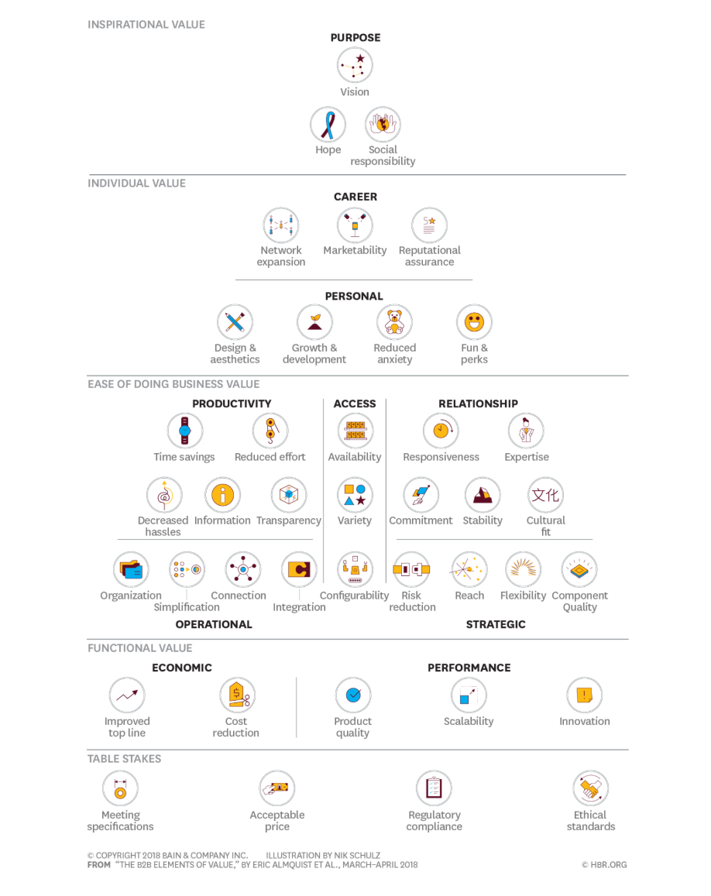
Pyramid Level | # | Category | Name | Definition | Example | Pyramid View
Inspirational Value | 1 | Purpose | Vision | Helps the customer anticipate the direction of its markets | Nielsen’s retail data and analytics services help consumer goods companies envision shifts in demand for their products.
 | 2 |  | Hope | Gives buyers and users hope for the future of their organization | Microsoft Azure gives IT professionals hope that their systems can work together seamlessly.
 | 3 |  | Social Responsibility | Helps the customer be more socially responsible | Dental and medical products wholesaler Henry Schein organizes its employees, customers and industry partners to participate in philanthropic programs.
Individual Value | 4 | Career | Network Expansion | Helps users and colleagues expand their professional network | LinkedIn is the world's largest professional network.
 | 5 |  | Marketability | Makes users and colleagues more marketable in their field | Autodesk provides education and certification for its core product, which provides an industry-recognized credential for engineers and construction professionals.
 | 6 |  | Reputational Assurance | Does not jeopardize and may enhance the buyer's reputation at work | IBM’s strong reputation in key markets shields decision makers from being criticized for choosing the company.
 | 7 | Personal | Design & Aesthetics | Provides aesthetically pleasing goods or services | Data center operator Equinix puts thoughtful design into its facilities as a way to appeal to IT engineers.
 | 8 |  | Growth & Development | Helps users and colleagues develop personally | SAS has extensive training and certification programs in data science.
 | 9 |  | Reduced Anxiety | Helps buyers and others in the organization feel more secure | FM Global provides engineering services to help reduce the incidence of catastrophes in business operations.
 | 10 |  | Fun & Perks | Is enjoyable to interact with or otherwise rewarding | Salesforce invites users to its World Tour to learn about new products and hear impressive keynote speakers.
Ease of Doing Business | 11 | Productivity | Time Savings | Saves time for users or the overall organization | Workday Human Capital Management gives HR managers access to a dashboard of analytics on their organization’s workforce.
 | 12 |  | Reduced Effort | Helps an organization get things done with less effort | IQVIA serves pharmaceutical firms by conducting their clinical trials and fielding their salesforces.
 | 13 |  | Decreased Hassles | Helps the customer avoid unnecessary hassles | American Express OPEN is known for excellent customer service to businesses.
 | 14 |  | Information | Helps users become informed | Remote diagnostics and a MyJohnDeere app inform farmers about soil conditions and weather data.
 | 15 |  | Transparency | Provides a clear view into the customer's organization | Workday's cloud-based software gives HR managers a view of a wide range of human capital data and metrics.
 | 16 | Access | Availability | Ensures the good or service is available when and where needed | FedEx’s delivery and business services are available almost anywhere in the US.
 | 17 |  | Variety | Provides a variety of goods or services to choose from | United Rentals offers a huge variety of rental products and locations.
 | 18 |  | Configurability | Offers goods or services that can be easily configured to the customer's needs | Azure, a cloud service from Microsoft, is well known for its flexibility.
 | 19 | Relationship | Responsiveness | Responds promptly and professionally to my organization’s needs | Genesys implemented the Net Promoter System® to address client problems immediately.
 | 20 |  | Expertise | Provides know-how for the relevant industry or market | Ecolab dedicates expert personnel to each customer and provides optimized end-to-end services.
 | 21 |  | Commitment | Shows it is committed to the customer's own success | GE Aviation goes beyond selling products to offer services to airlines that optimize their efficient use of new technologies.
 | 22 |  | Stability | Is a stable company for the foreseeable future | A large, international customer base at insurance carriers such as Chubb and Lloyd’s of London provides stability for years to come.
 | 23 |  | Cultural Fit | Fits well with the customer's culture and people | Salesforce.org works with nonprofits at a substantial discount.
 | 24 | Operational | Organization | Helps users become more organized | Bloomberg organizes vast quantities of information for its clients.
 | 25 |  | Simplification | Reduces complexity and keeps things simple | Intuit's QuickBooks makes accounting simpler for small businesses.
 | 26 |  | Connection | Connects organizations and users with others internally and externally | Slack, an app-based communications platform, helps keep workers connected.
 | 27 |  | Integration | Helps a customer integrate different facts of the business | Accenture helps clients integrate their disparate IT systems.
 | 28 | Strategic | Risk Reduction | Protects the customer against loss or unnecessary risk | Aon provides a suite of insurance and consulting services designed to reduce risk for its clients.
 | 29 |  | Reach | Allows the customer to operate in more locations or market segments | World Clock Meeting Planner helps users arrange conference calls across the globe.
 | 30 |  | Flexibility | Moves beyond standard goods or services to allow customization | Bosch's engineering arm carries out more than 800 custom projects each year.
 | 31 |  | Component Quality | Improves the perceived quality of the customer's own products or services | The "Intel Inside" program enables computer manufacturers to display the Intel brand on their devices, signaling high performance and reliability.
Functional Value | 32 | Economic | Improved Top Line | Helps the customer increase revenue | Amazon offers a service that allows merchants to use its fulfilment network, which helps them increase revenues.
 | 33 |  | Cost Reduction | Reduces cost for the customer's organization | Wipro reduces costs for clients by allowing them to outsource IT functions.
 | 34 | Performance | Product Quality | Provides high-quality goods or services | Cummins has a reputation for high-quality truck and industrial engines.
 | 35 |  | Scalability | Expands easily to additional demand, processes or tasks | Amazon Web Services offers cloud computing that efficiently scales tasks in parallel across multiple computing resources.
 | 36 |  | Innovation | Provides innovative capabilities | ABB is recognized for innovation in technologies as diverse as industrial pump drives and marine electric propulsion systems.
Table Stakes | 37 | Must Haves | Meeting Specifications | Conforms to the customer's internal specifications | Aerospace and defense firms such as Northrop Grumman must meet specifications with new products or risk losing lucrative defense contracts.
 | 37 |  | Acceptable Price | Provides products or services at an acceptable price | To maintain insurance coverage for drugs, Pfizer must offer acceptable prices.
 | 39 |  | Regulatory Compliance | Complies with regulations | Cube, Fenergo and other financial technology firms have helped large banks comply with increased regulation since the global financial crisis.
 | 40 |  | Ethical Standards | Performs its activities in an ethical manner | Audit firms such as RSM must ensure ethical business practices, or risk being fired or fined.

Elements of Value - Evaluation
 |  |  |  |  |  | Unhide I-thru-J >> |  | More to the right >>
Evaluation - Rate / Assess which Elements of Value you Confidently Deliver |  |  |  |  |  |  |  |  |  | Value Story ( increase value clarity, translate measures into a story that frames your value impact ) |  | Alternatives / Competitors Comparison |  |  |  | Rate by Segment, Persona or Offering

3
1
0
Pyramid Level | # | Category | Name | Rating | Explanation / Hypothesis ( Why did you rate as you did ? ) | Rank | To Do : |  |  | Life Before / Life Without | Life After / Life With | Alt_1 | Alt_2 | Alt_3 | Explanation / Notes ( Why did you rate Alternatives / Competitors as you did ? ) | S/P/O_1 | S/P/O_2 | S/P/O_3 | S/P/O_4 | Explanation / Notes ( Make a brief convincing case for how you rated each EOV )
Inspirational Value | 1 | Purpose | Vision |  |  |  | Step 1. Rate each "Element of Value" and provide an explanation (or hypothesis) for each.
Inspirational Value | 2 | Purpose | Hope
Inspirational Value | 3 | Purpose | Social Responsibility |  |  |  | Strongly Agree | Somewhat Agree | Do Not Agree
Individual Value | 4 | Career | Network Expansion
Individual Value | 5 | Career | Marketability |  |  |  | Step 2. For those that apply (filter by rating), force rank … giving a "1" to the most convincing and compelling, a "2" to the next, and so on.
Individual Value | 6 | Career | Reputational Assurance
Individual Value | 7 | Personal | Design & Aesthetics |  |  |  | Step 3. Now it's time to make EOVs measurable and translate your highest ranking / rated EOVs into measurable outcomes. Do this by unhiding columns I-thru-J.
Individual Value | 8 | Personal | Growth & Development
Individual Value | 9 | Personal | Reduced Anxiety |  |  |  | Step 4. Go deeper … hide columns L-thru-Q and increase value clarity by setting-up a compelling value story, exposing your value advantages / disadvantages and determing how EOVs may differ by personas/segments/offerings.
Individual Value | 10 | Personal | Fun & Perks
Ease of Doing Business | 11 | Productivity | Time Savings
Ease of Doing Business | 12 | Productivity | Reduced Effort
Ease of Doing Business | 13 | Productivity | Decreased Hassles
Ease of Doing Business | 14 | Productivity | Information
Ease of Doing Business | 15 | Productivity | Transparency
Ease of Doing Business | 16 | Access | Availability
Ease of Doing Business | 17 | Access | Variety
Ease of Doing Business | 18 | Access | Configurability
Ease of Doing Business | 19 | Relationship | Responsiveness
Ease of Doing Business | 20 | Relationship | Expertise
Ease of Doing Business | 21 | Relationship | Commitment
Ease of Doing Business | 22 | Relationship | Stability
Ease of Doing Business | 23 | Relationship | Cultural Fit
Ease of Doing Business | 24 | Operational | Organization
Ease of Doing Business | 25 | Operational | Simplification
Ease of Doing Business | 26 | Operational | Connection
Ease of Doing Business | 27 | Operational | Integration
Ease of Doing Business | 28 | Strategic | Risk Reduction
Ease of Doing Business | 29 | Strategic | Reach
Ease of Doing Business | 30 | Strategic | Flexibility
Ease of Doing Business | 31 | Strategic | Component Quality
Functional Value | 32 | Economic | Improved Top Line
Functional Value | 33 | Economic | Cost Reduction
Functional Value | 34 | Performance | Product Quality
Functional Value | 35 | Performance | Scalability
Functional Value | 36 | Performance | Innovation
Table Stakes | 37 | Must Haves | Meeting Specifications
Table Stakes | 37 | Must Haves | Acceptable Price
Table Stakes | 39 | Must Haves | Regulatory Compliance
Table Stakes | 40 | Must Haves | Ethical Standards

Pivot
 | Total
Vision
Hope
Social Responsibility
Network Expansion
Marketability
Reputational Assurance
Design & Aesthetics
Growth & Development
Reduced Anxiety
Fun & Perks
Time Savings
Reduced Effort
Decreased Hassles
Information
Transparency
Variety
Availability
Configurability
Responsiveness
Expertise
Commitment
Stability
Cultural Fit
Organization
Simplification
Connection
Integration
Risk Reduction
Reach
Flexibility
Component Quality
Improved Top Line
Cost Reduction
Product Quality
Scalability
Innovation
Meeting Specifications
Acceptable Price
Regulatory Compliance
Ethical Standards
Sum of Rating
Category | Name | Total
Purpose | Vision
 | Hope
 | Social Responsibility
Purpose Total
Career | Network Expansion
 | Marketability
 | Reputational Assurance
Career Total
Personal | Design & Aesthetics
 | Growth & Development
 | Reduced Anxiety
 | Fun & Perks
Personal Total
Productivity | Time Savings
 | Reduced Effort
 | Decreased Hassles
 | Information
 | Transparency
Productivity Total
Access | Variety
 | Availability
 | Configurability
Access Total
Relationship | Responsiveness
 | Expertise
 | Commitment
 | Stability
 | Cultural Fit
Relationship Total
Operational | Organization
 | Simplification
 | Connection
 | Integration
Operational Total
Strategic | Risk Reduction
 | Reach
 | Flexibility
 | Component Quality
Strategic Total
Economic | Improved Top Line
 | Cost Reduction
Economic Total
Performance | Product Quality
 | Scalability
 | Innovation
Performance Total
Must Haves | Meeting Specifications
 | Acceptable Price
 | Regulatory Compliance
 | Ethical Standards
Must Haves Total
Grand Total

B2B vs B2C Elements of Value
B2B
Reminder: All B2B buyers are also B2C buyers (consumers).

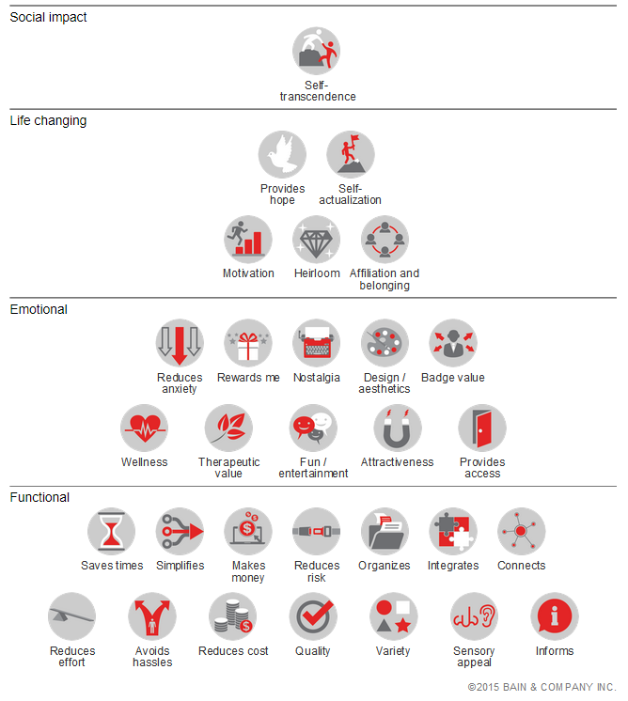
B2C

Book a Strategy Session
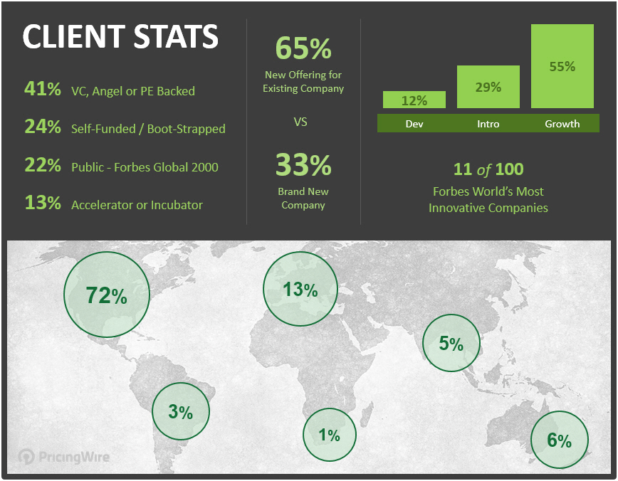
Monetization + Pricing Strategy Sessions

Gain perspective and increase confidence in business-critical decisions.

Let's discuss your plans, ideas and challenges.

Click to Book a Session Now | Learn More About PricingWire

http://pricingwire.com/pricing-strategy-sessions | http://pricingwire.com

This tool was created to help you increase Value Clarity and is provided by …

