Revenue Grid - Short
Revenue Goal | # of Transactions
$5,000,000 |  |  |  |  |  |  |  |  |  |  |  | Quick-Math
$ per Transaction | 10 | 25 | 50 | 100 | 250 | 500 | 1,000 | 2,000 | 2,500 | 10,000 | 25,000 | Target # of Transactions
$5 | $50 | $125 | $250 | $500 | $1,250 | $2,500 | $5,000 | $10,000 | $12,500 | $50,000 | $125,000 | 2000 | # per year
$10 | $100 | $250 | $500 | $1,000 | $2,500 | $5,000 | $10,000 | $20,000 | $25,000 | $100,000 | $250,000 | 12 | # of mos.
$25 | $250 | $625 | $1,250 | $2,500 | $6,250 | $12,500 | $25,000 | $50,000 | $62,500 | $250,000 | $625,000 | 167 | # per mo.
$50 | $500 | $1,250 | $2,500 | $5,000 | $12,500 | $25,000 | $50,000 | $100,000 | $125,000 | $500,000 | $1,250,000 | 42 | # per week (4/mo)
$100 | $1,000 | $2,500 | $5,000 | $10,000 | $25,000 | $50,000 | $100,000 | $200,000 | $250,000 | $1,000,000 | $2,500,000 | 8 | # per day (5/wk)
$250 | $2,500 | $6,250 | $12,500 | $25,000 | $62,500 | $125,000 | $250,000 | $500,000 | $625,000 | $2,500,000 | $6,250,000
1
$500 | $5,000 | $12,500 | $25,000 | $50,000 | $125,000 | $250,000 | $500,000 | $1,000,000 | $1,250,000 | $5,000,000 | $12,500,000
$2,000 | $20,000 | $50,000 | $100,000 | $200,000 | $500,000 | $1,000,000 | $2,000,000 | $4,000,000 | $5,000,000 | $20,000,000 | $50,000,000
$2,500 | $25,000 | $62,500 | $125,000 | $250,000 | $625,000 | $1,250,000 | $2,500,000 | $5,000,000 | $6,250,000 | $25,000,000 | $62,500,000 | Enter your Revenue Goal
$5,000 | $50,000 | $125,000 | $250,000 | $500,000 | $1,250,000 | $2,500,000 | $5,000,000 | $10,000,000 | $12,500,000 | $50,000,000 | $125,000,000
2
$10,000 | $100,000 | $250,000 | $500,000 | $1,000,000 | $2,500,000 | $5,000,000 | $10,000,000 | $20,000,000 | $25,000,000 | $100,000,000 | $250,000,000
$25,000 | $250,000 | $625,000 | $1,250,000 | $2,500,000 | $6,250,000 | $12,500,000 | $25,000,000 | $50,000,000 | $62,500,000 | $250,000,000 | $625,000,000
$50,000 | $500,000 | $1,250,000 | $2,500,000 | $5,000,000 | $12,500,000 | $25,000,000 | $50,000,000 | $100,000,000 | $125,000,000 | $500,000,000 | $1,250,000,000 | Adjust # of Transactions range
$100,000 | $1,000,000 | $2,500,000 | $5,000,000 | $10,000,000 | $25,000,000 | $50,000,000 | $100,000,000 | $200,000,000 | $250,000,000 | $1,000,000,000 | $2,500,000,000
3
$250,000 | $2,500,000 | $6,250,000 | $12,500,000 | $25,000,000 | $62,500,000 | $125,000,000 | $250,000,000 | $500,000,000 | $625,000,000 | $2,500,000,000 | $6,250,000,000
$500,000 | $5,000,000 | $12,500,000 | $25,000,000 | $50,000,000 | $125,000,000 | $250,000,000 | $500,000,000 | $1,000,000,000 | $1,250,000,000 | $5,000,000,000 | $12,500,000,000
$1,000,000 | $10,000,000 | $25,000,000 | $50,000,000 | $100,000,000 | $250,000,000 | $500,000,000 | $1,000,000,000 | $2,000,000,000 | $2,500,000,000 | $10,000,000,000 | $25,000,000,000 | Adjust $ per Transaction range
$2,500,000 | $25,000,000 | $62,500,000 | $125,000,000 | $250,000,000 | $625,000,000 | $1,250,000,000 | $2,500,000,000 | $5,000,000,000 | $6,250,000,000 | $25,000,000,000 | $62,500,000,000
$5,000,000 | $50,000,000 | $125,000,000 | $250,000,000 | $500,000,000 | $1,250,000,000 | $2,500,000,000 | $5,000,000,000 | $10,000,000,000 | $12,500,000,000 | $50,000,000,000 | $125,000,000,000

Quick Funnel Projections
2
2
Scenario A |  |  |  |  |  |  |  | Scenario B

500,000 | Total Addressable Market (TAM) |  |  |  |  | $2,500 | Avg. $ per Transaction | 500,000 | Total Addressable Market (TAM) |  |  |  |  | $2,500 | Avg. $ per Transaction

 | 20% | Percentage of TAM that are Prospects (PAM) |  |  |  |  |  |  | 20% | Percentage of TAM that are Prospects (PAM)

 | 100,000 | Prospects / Prioritized Addressable Market (PAM) |  |  |  |  |  |  | 100,000 | Prospects / Prioritized Addressable Market (PAM)

1
1
 |  | 5% | Percentage of Prospects (PAM) converted to Leads |  |  |  |  |  |  | 5% | Percentage of Prospects (PAM) converted to Leads

 |  | 5,000 | Leads |  |  |  |  |  |  | 5,000 | Leads

 |  |  | 10% | Percentage of Leads converted to Opportunities |  |  |  |  |  |  | 10% | Percentage of Leads converted to Opportunities

0.10% | 0.50% |  | 500 | Opportunities |  |  |  | 0.10% | 0.50% |  | 500 | Opportunities

 |  |  |  | Win Rate | Transactions | Revenue Production |  |  |  |  |  | Win Rate | Transactions | Revenue Production
How to Use
Populate / Confirm those cells with a border to reflect your assumptions or projections.
Where you enter values that differ between Scenario A and Scenario B, the cell value will change to a red font, to easily identify what is contributing to the difference between both scenarios.
 |  |  |  | 50% | 250 | $625,000 |  |  |  |  |  | 50% | 250 | $625,000

 |  |  |  | 45% | 225 | $562,500 |  |  |  |  |  | 45% | 225 | $562,500

 |  |  |  | 40% | 200 | $500,000 |  |  |  |  |  | 40% | 200 | $500,000

3
3
 |  |  |  | 35% | 175 | $437,500 |  |  |  |  |  | 35% | 175 | $437,500

 |  |  |  | 30% | 150 | $375,000 |  |  |  |  |  | 30% | 150 | $375,000

 |  |  |  | 25% | 125 | $312,500 |  |  |  |  |  | 25% | 125 | $312,500

 |  |  |  | 20% | 100 | $250,000 |  |  |  |  |  | 20% | 100 | $250,000

 |  |  |  | 15% | 75 | $187,500 |  |  |  |  |  | 15% | 75 | $187,500

 |  |  |  | 10% | 50 | $125,000 |  |  |  |  |  | 10% | 50 | $125,000

Revenue Due Diligence
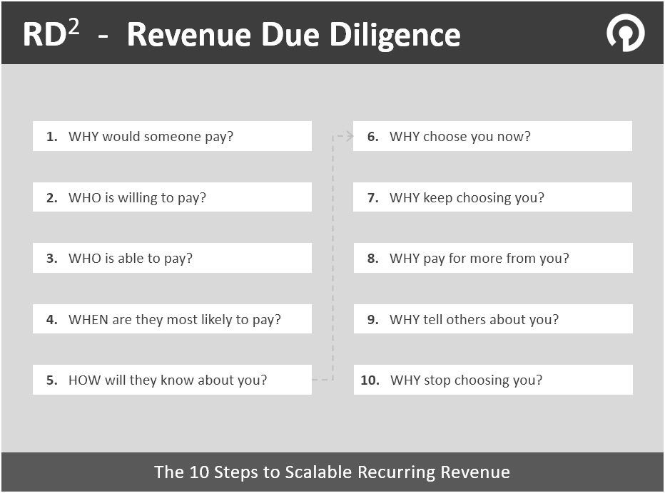

How would you answer each of these questions?

Book a Strategy Session
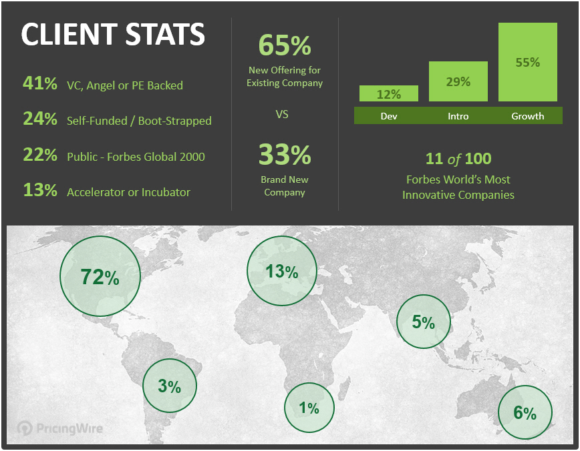
Monetization and Pricing Strategy Sessions

Gain perspective and increase confidence in business-critical decisions.

Let's discuss your plans, ideas and challenges.

Click to Book a Session Now

Download from Google Sheets
How to download from Google Sheets …

Option A - When not logged into Google Sheets | Option B - When you are logged into Google Sheets

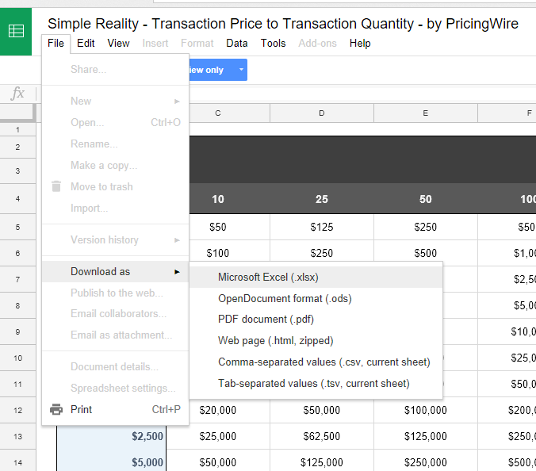
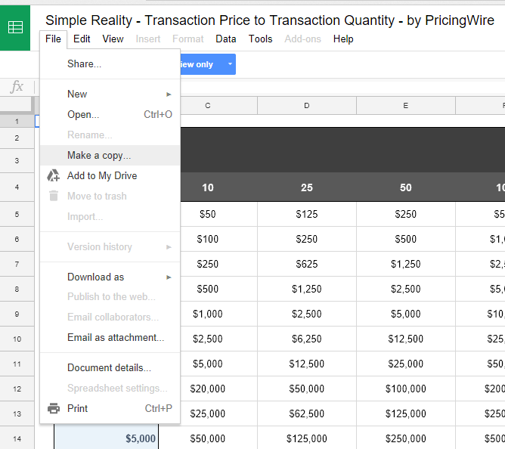
1
1

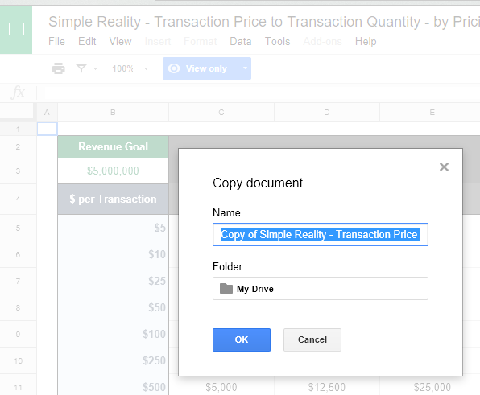

2

2
3

3

