Elements of Value - Overview
The 30 Elements of Value - Overview ( by Bain & Co. ) |  |  |  | http://www.bain.com/bainweb/media/interactive/elements-of-value/#

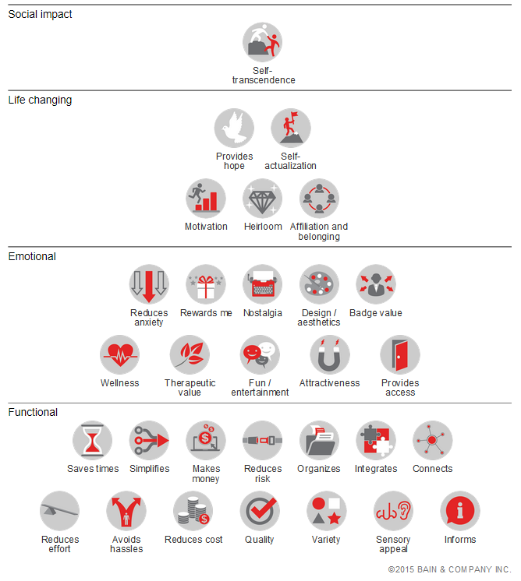
Category | # | Name | Definition | Example | Pyramid View
Social Impact | 1 | Self Transcendence | Helping other people or society more broadly | When TOMS sells a pair of shoes or eyewear, a new pair of shoes goes to an impoverished child or part of the profit goes to save the eyesight of people in developing countries.
Life Changing | 2 | Provides Hope | Providing something to be optimistic about | GNC stores sell a wide range of weight loss, nutritional supplements and other products designed to improve consumers' health and fitness.
 | 3 | Self Actualization | Providing a sense of personal accomplishment or improvement | Consumers buy a Leica camera in part from the pride of owning a camera used by famous photographers over the course of the brand's century-long history.
 | 4 | Motivation | Spurring people to achieve their goals | Spotify added a music-streaming feature for runners that detects their tempo and finds music to match it.
 | 5 | Heirloom | A good investment for future generations | Patek Philippe positions its watches as cherished possessions designed to last and accompany successive generations.
 | 6 | Affiliation & Belonging | Helping people become part of a group or identify with people they admire | The Boston Red Sox have built a loyal customer base by appealing to tradition and local patriotism in New England.
Emotional | 7 | Reduces Anxiety | Helping people worry less and feel more secure | Discover allows cardholders to instantly freeze and unfreeze their accounts without canceling their cards.
 | 8 | Rewards Me | Providing benefits for being a loyal customer | Starwood has earned strong customer loyalty among frequent travelers through a robust rewards program.
 | 9 | Nostalgia | Reminding people of something positive in the past | Volkswagen's Beetle line of cars emulates the popular design originally created in the 1930s and produced through the 1970s.
 | 10 | Design & Aesthetics | Providing an appealing form or design | Apple's attention to design has helped differentiate its computers, smartphones and other products from those of competitors.
 | 11 | Badge Value | Representing achieved status or aspirations | Prada's understated luxury clothing and accessories are designed to be recognized by fashionistas.
 | 12 | Wellness | Improving people's physical or mental state | Westin added fitness equipment in some guest rooms, "superfoods," and exercise clothing rentals to reposition the brand as part of the well-being movement.
 | 13 | Therapeutic Value | Providing therapeutic value or well-being | Dr. Scholl's products aim to soothe a broad range of foot conditions.
 | 14 | Fun & Entertainment | Offering fun or entertainment | Norwegian, Royal Caribbean and other cruise lines offer almost round-the-clock entertainment ranging from indoor sky diving to bumper cars to art auctions.
 | 15 | Attractiveness | Helping people feel more attractive | Victoria's Secret created bold retail designs in an undergarment industry that had been quiet and discreet.
 | 16 | Provides Access | Providing access to information, goods, services or other valuable items | CVS Health added in-pharmacy clinics that provide basic medical services and assorted wellness services.
Functional | 17 | Saves Time | Saving time in tasks or transactions | Target, REI and other retailers have in-store pickup for online orders and/or same-day rush delivery from store.
 | 18 | Simplifies | Reducing complexity and simplifying | Amazon's 1-Click feature simplifies the order checkout process.
 | 19 | Makes Money | Helping to make money | Google's AdSense helps independent blogs and websites to generate advertising revenue.
 | 20 | Reduces Risk | Protecting from losses | Charles Schwab's Accountability Guarantee refunds fees if clients are not fully satisfied with the investment product.
 | 21 | Organizes | Becoming more organized | The Container Store helps people organize their possessions at home.
 | 22 | Integrates | Integrating different aspects of life | Square offers invoice management, payroll and other services that integrate billing functions into its point-of-sale hardware and software.
 | 23 | Connects | Connecting with other people | Energy drink maker Red Bull sponsors extreme sports competitions and communities that connect enthusiasts around the world.
 | 24 | Reduces Effort | Getting things done with less effort | Facebook added the ability to send money directly to friends via its Messenger app.
 | 25 | Avoides Hassles | Avoiding or reducing hassles | Zappos offers free shipping and generous return policies.
 | 26 | Reduces Costs | Saving money in purchases, fees or subscriptions | Nordstrom, J. Crew and other retailers introduced budget brands.
 | 27 | Quality | Providing high-quality goods or services | USAA delivers high-quality insurance, banking and investment products and services tailored to its members―those who have served in the military and their families.
 | 28 | Variety | Providing a variety of things to choose from | Fitbit has branched out from a simple step counter to different products for everyday users and high-performance athletes.
 | 29 | Sensory Appeal | Appealing in taste, smell, hearing and other senses. | Starbucks acquired tea company Teavana and bakery La Boulange to improve its non-coffee products.
 | 30 | Informs | Providing reliable and trusted information about a topic | Vanguard added low-fee advice to its core investment services.

Elements of Value - Evalutation
 |  |  |  |  |  | Unhide I-thru-J >> |  | More to the right >>
Evaluation - Rate / Assess which Elements of Value you Confidently Deliver |  |  |  |  |  |  |  |  |  | Value Story ( increase value clarity, translate measures into a story that frames your value impact ) |  | Alternatives / Competitors Comparison |  |  |  | Rate by Segment, Persona or Offering |  |  |  |  | Quantify Time Savings ( Hours Saved + Hours Saved as Dollars Saved )

3
1
0
Category | # | Name | Definition | Rating | Explanation / Hypothesis ( Why did you rate as you did ? ) | Rank | To Do : |  |  | Life Before / Life Without | Life After / Life With | Alt_1 | Alt_2 | Alt_3 | Explanation / Notes ( Why did you rate Alternatives / Competitors as you did ? ) | S/P/O_1 | S/P/O_2 | S/P/O_3 | S/P/O_4 | Explanation / Notes ( Make a brief convincing case for how you rated each EOV ) | Avg. $ Per Hour | Hours Per Day | $ Per Day | Days Per Month | Hours Per Month | $ Per Month | Months Per Year | Hours Per Year | $ Per Year | # of People | Total Hours Per Year | Total $ Per Year | Explanation / Notes
Social Impact | 1 | Self Transcendence | Helping other people or society more broadly |  |  |  | Step 1. Rate each "Element of Value" and provide an explanation (or hypothesis) for each. |  |  |  |  |  |  |  |  |  |  |  |  |  |  |  | $0 |  | 0.00 | $0 |  | 0.00 | $0 |  | 0.00 | $0
Life Changing | 2 | Provides Hope | Providing something to be optimistic about |  |  |  |  |  |  |  |  |  |  |  |  |  |  |  |  |  |  |  | $0 |  | 0.00 | $0 |  | 0.00 | $0 |  | 0.00 | $0
Life Changing | 3 | Self Actualization | Providing a sense of personal accomplishment or improvement |  |  |  | Strongly Agree | Somewhat Agree | Do Not Agree |  |  |  |  |  |  |  |  |  |  |  |  |  | $0 |  | 0.00 | $0 |  | 0.00 | $0 |  | 0.00 | $0
Life Changing | 4 | Motivation | Spurring people to achieve their goals |  |  |  |  |  |  |  |  |  |  |  |  |  |  |  |  |  |  |  | $0 |  | 0.00 | $0 |  | 0.00 | $0 |  | 0.00 | $0
Life Changing | 5 | Heirloom | A good investment for future generations |  |  |  | Step 2. For those that apply (filter by rating), force rank … giving a "1" to the most convincing and compelling, a "2" to the next, and so on. |  |  |  |  |  |  |  |  |  |  |  |  |  |  |  | $0 |  | 0.00 | $0 |  | 0.00 | $0 |  | 0.00 | $0
Life Changing | 6 | Affiliation & Belonging | Helping people become part of a group or identify with people they admire |  |  |  |  |  |  |  |  |  |  |  |  |  |  |  |  |  |  |  | $0 |  | 0.00 | $0 |  | 0.00 | $0 |  | 0.00 | $0
Emotional | 7 | Reduces Anxiety | Helping people worry less and feel more secure |  |  |  | Step 3. Now it's time to make EOVs measurable and translate your highest ranking / rated EOVs into measurable outcomes. Do this by unhiding columns I-thru-J. |  |  |  |  |  |  |  |  |  |  |  |  |  |  |  | $0 |  | 0.00 | $0 |  | 0.00 | $0 |  | 0.00 | $0
Emotional | 8 | Rewards Me | Providing benefits for being a loyal customer |  |  |  |  |  |  |  |  |  |  |  |  |  |  |  |  |  |  |  | $0 |  | 0.00 | $0 |  | 0.00 | $0 |  | 0.00 | $0
Emotional | 9 | Nostalgia | Reminding people of something positive in the past |  |  |  | Step 4. Go deeper … hide columns L-thru-Q and increase value clarity by setting-up a compelling value story, exposing your value advantages / disadvantages and determing how EOVs may differ by personas/segments/offerings. |  |  |  |  |  |  |  |  |  |  |  |  |  |  |  | $0 |  | 0.00 | $0 |  | 0.00 | $0 |  | 0.00 | $0
Emotional | 10 | Design & Aesthetics | Providing an appealing form or design |  |  |  |  |  |  |  |  |  |  |  |  |  |  |  |  |  |  |  | $0 |  | 0.00 | $0 |  | 0.00 | $0 |  | 0.00 | $0
Emotional | 11 | Badge Value | Representing achieved status or aspirations |  |  |  |  |  |  |  |  |  |  |  |  |  |  |  |  |  |  |  | $0 |  | 0.00 | $0 |  | 0.00 | $0 |  | 0.00 | $0
Emotional | 12 | Wellness | Improving people's physical or mental state |  |  |  |  |  |  |  |  |  |  |  |  |  |  |  |  |  |  |  | $0 |  | 0.00 | $0 |  | 0.00 | $0 |  | 0.00 | $0
Emotional | 13 | Therapeutic Value | Providing therapeutic value or well-being |  |  |  |  |  |  |  |  |  |  |  |  |  |  |  |  |  |  |  | $0 |  | 0.00 | $0 |  | 0.00 | $0 |  | 0.00 | $0
Emotional | 14 | Fun & Entertainment | Offering fun or entertainment |  |  |  |  |  |  |  |  |  |  |  |  |  |  |  |  |  |  |  | $0 |  | 0.00 | $0 |  | 0.00 | $0 |  | 0.00 | $0
Emotional | 15 | Attractiveness | Helping people feel more attractive |  |  |  |  |  |  |  |  |  |  |  |  |  |  |  |  |  |  |  | $0 |  | 0.00 | $0 |  | 0.00 | $0 |  | 0.00 | $0
Emotional | 16 | Provides Access | Providing access to information, goods, services or other valuable items |  |  |  |  |  |  |  |  |  |  |  |  |  |  |  |  |  |  |  | $0 |  | 0.00 | $0 |  | 0.00 | $0 |  | 0.00 | $0
Functional | 17 | Saves Time | Saving time in tasks or transactions |  |  |  |  |  |  |  |  |  |  |  |  |  |  |  |  |  |  |  | $0 |  | 0.00 | $0 |  | 0.00 | $0 |  | 0.00 | $0
Functional | 18 | Simplifies | Reducing complexity and simplifying |  |  |  |  |  |  |  |  |  |  |  |  |  |  |  |  |  |  |  | $0 |  | 0.00 | $0 |  | 0.00 | $0 |  | 0.00 | $0
Functional | 19 | Makes Money | Helping to make money |  |  |  |  |  |  |  |  |  |  |  |  |  |  |  |  |  |  |  | $0 |  | 0.00 | $0 |  | 0.00 | $0 |  | 0.00 | $0
Functional | 20 | Reduces Risk | Protecting from losses |  |  |  |  |  |  |  |  |  |  |  |  |  |  |  |  |  |  |  | $0 |  | 0.00 | $0 |  | 0.00 | $0 |  | 0.00 | $0
Functional | 21 | Organizes | Becoming more organized |  |  |  |  |  |  |  |  |  |  |  |  |  |  |  |  |  |  |  | $0 |  | 0.00 | $0 |  | 0.00 | $0 |  | 0.00 | $0
Functional | 22 | Integrates | Integrating different aspects of life |  |  |  |  |  |  |  |  |  |  |  |  |  |  |  |  |  |  |  | $0 |  | 0.00 | $0 |  | 0.00 | $0 |  | 0.00 | $0
Functional | 23 | Connects | Connecting with other people |  |  |  |  |  |  |  |  |  |  |  |  |  |  |  |  |  |  |  | $0 |  | 0.00 | $0 |  | 0.00 | $0 |  | 0.00 | $0
Functional | 24 | Reduces Effort | Getting things done with less effort |  |  |  |  |  |  |  |  |  |  |  |  |  |  |  |  |  |  |  | $0 |  | 0.00 | $0 |  | 0.00 | $0 |  | 0.00 | $0
Functional | 25 | Avoides Hassles | Avoiding or reducing hassles |  |  |  |  |  |  |  |  |  |  |  |  |  |  |  |  |  |  |  | $0 |  | 0.00 | $0 |  | 0.00 | $0 |  | 0.00 | $0
Functional | 26 | Reduces Costs | Saving money in purchases, fees or subscriptions |  |  |  |  |  |  |  |  |  |  |  |  |  |  |  |  |  |  |  | $0 |  | 0.00 | $0 |  | 0.00 | $0 |  | 0.00 | $0
Functional | 27 | Quality | Providing high-quality goods or services |  |  |  |  |  |  |  |  |  |  |  |  |  |  |  |  |  |  |  | $0 |  | 0.00 | $0 |  | 0.00 | $0 |  | 0.00 | $0
Functional | 28 | Variety | Providing a variety of things to choose from |  |  |  |  |  |  |  |  |  |  |  |  |  |  |  |  |  |  |  | $0 |  | 0.00 | $0 |  | 0.00 | $0 |  | 0.00 | $0
Functional | 29 | Sensory Appeal | Appealing in taste, smell, hearing and other senses. |  |  |  |  |  |  |  |  |  |  |  |  |  |  |  |  |  |  |  | $0 |  | 0.00 | $0 |  | 0.00 | $0 |  | 0.00 | $0
Functional | 30 | Informs | Providing reliable and trusted information about a topic |  |  |  |  |  |  |  |  |  |  |  |  |  |  |  |  |  |  |  | $0 |  | 0.00 | $0 |  | 0.00 | $0 |  | 0.00 | $0

Pivot
 | Total
Attractiveness
Badge Value
Design & Aesthetics
Fun & Entertainment
Nostalgia
Provides Access
Reduces Anxiety
Rewards Me
Therapeutic Value
Wellness
Avoides Hassles
Connects
Informs
Integrates
Makes Money
Organizes
Quality
Reduces Costs
Reduces Effort
Reduces Risk
Saves Time
Sensory Appeal
Simplifies
Variety
Affiliation & Belonging
Heirloom
Motivation
Provides Hope
Self Actualization
Self Transcendence
Sum of Rating
Category | Name | Total
Emotional | Attractiveness
 | Badge Value
 | Design & Aesthetics
 | Fun & Entertainment
 | Nostalgia
 | Provides Access
 | Reduces Anxiety
 | Rewards Me
 | Therapeutic Value
 | Wellness
Emotional Total
Functional | Avoides Hassles
 | Connects
 | Informs
 | Integrates
 | Makes Money
 | Organizes
 | Quality
 | Reduces Costs
 | Reduces Effort
 | Reduces Risk
 | Saves Time
 | Sensory Appeal
 | Simplifies
 | Variety
Functional Total
Life Changing | Affiliation & Belonging
 | Heirloom
 | Motivation
 | Provides Hope
 | Self Actualization
Life Changing Total
Social Impact | Self Transcendence
Social Impact Total
Grand Total

B2B vs B2C Elements of Value
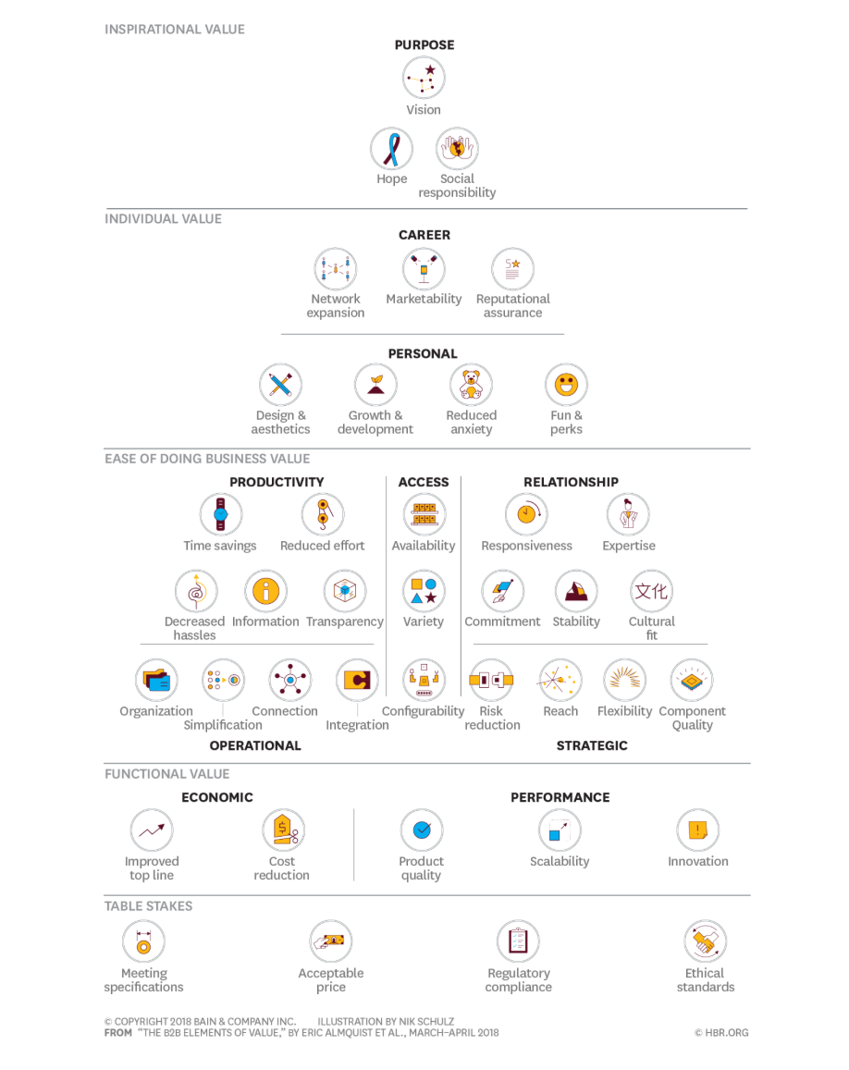
B2B
Reminder: All B2B buyers are also B2C buyers (consumers).

B2C

Book a Strategy Session
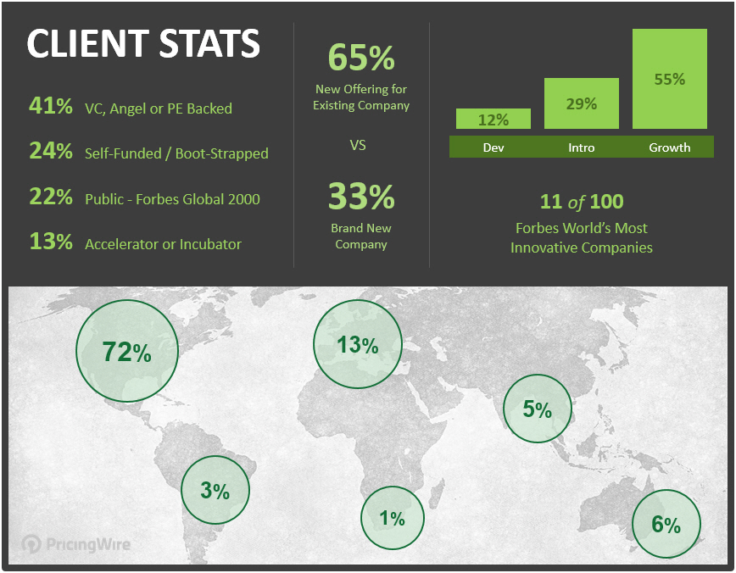
Monetization + Pricing Strategy Sessions

Gain perspective and increase confidence in business-critical decisions.

Let's discuss your plans, ideas and challenges.

Click to Book a Session Now | Learn More About PricingWire

http://pricingwire.com/pricing-strategy-sessions | http://pricingwire.com

This tool was created to help you increase Value Clarity and is provided by …

